Title
INT-115_SubroSource Inbound

Test Result Screenshots
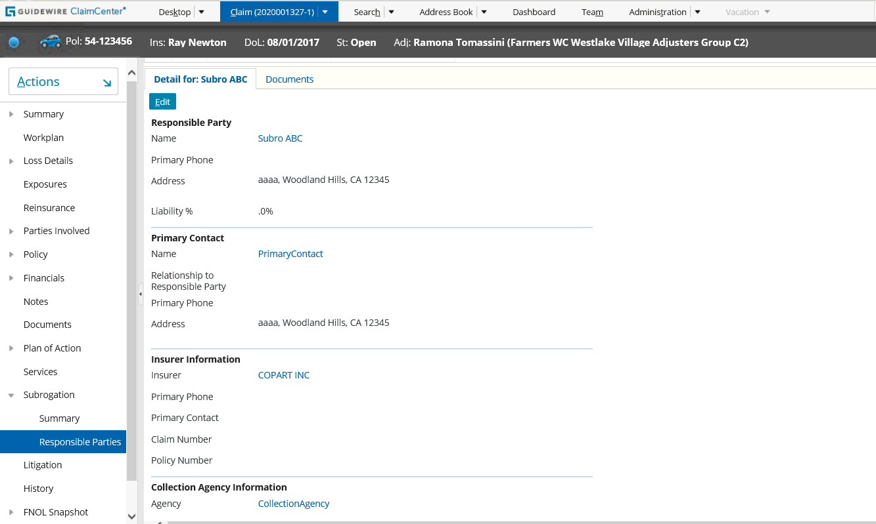
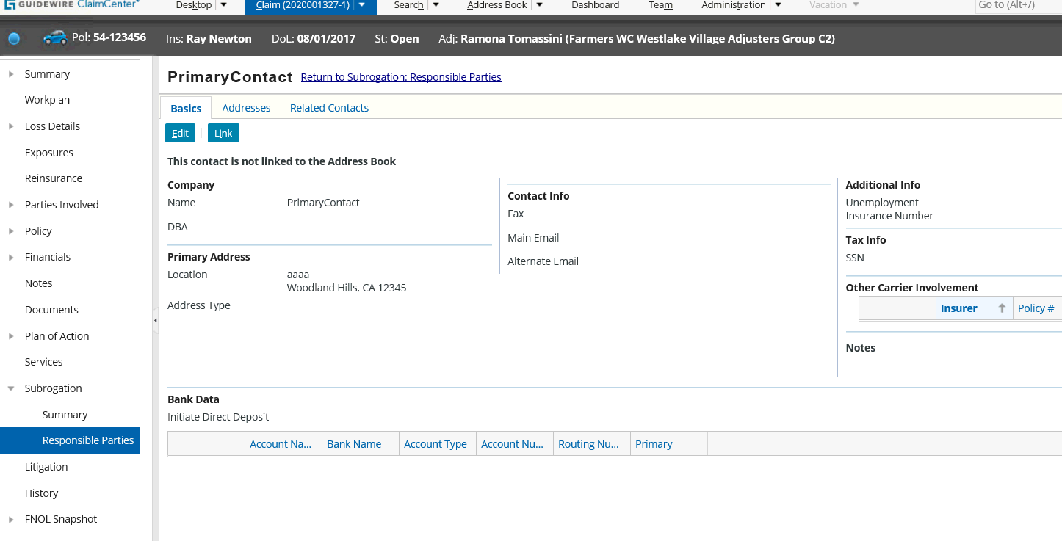
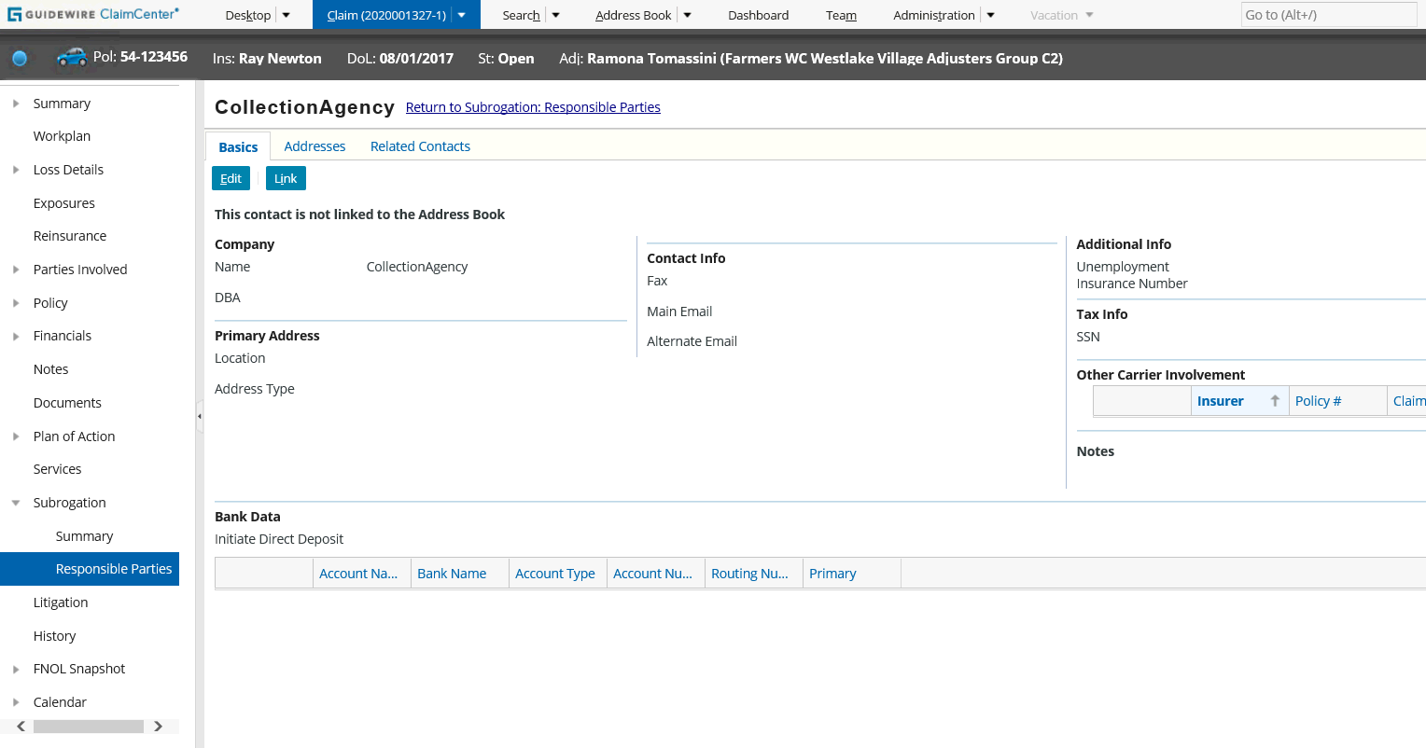
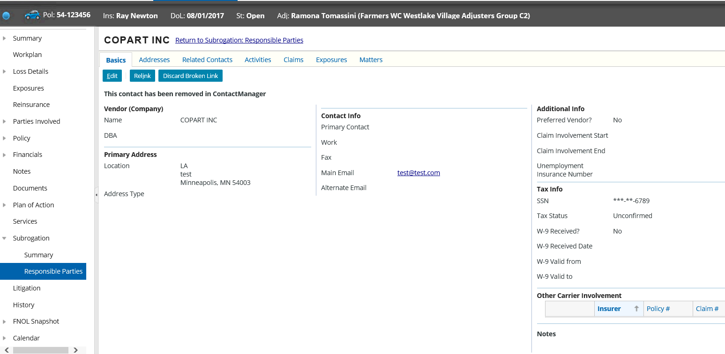
UTC_01 | Note Creation
 | Before | After
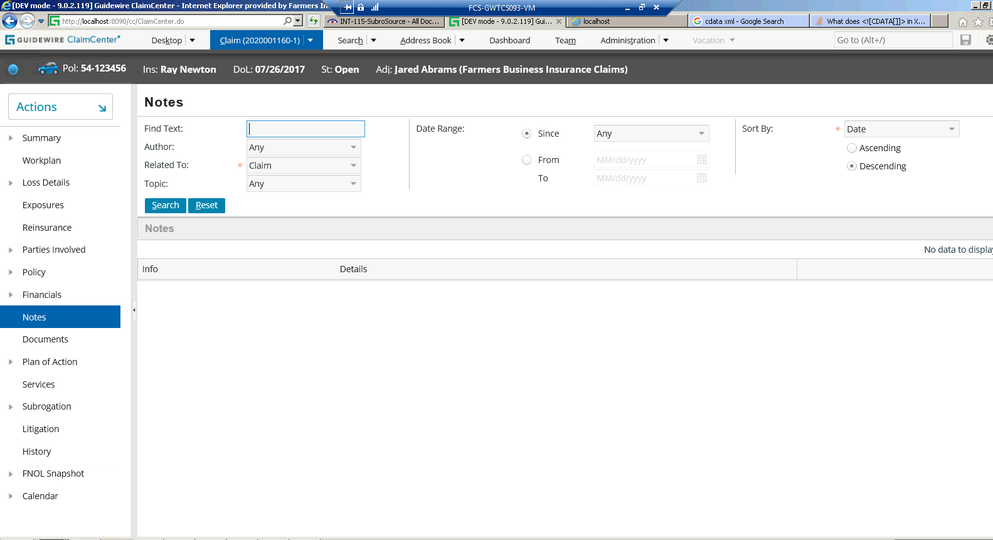
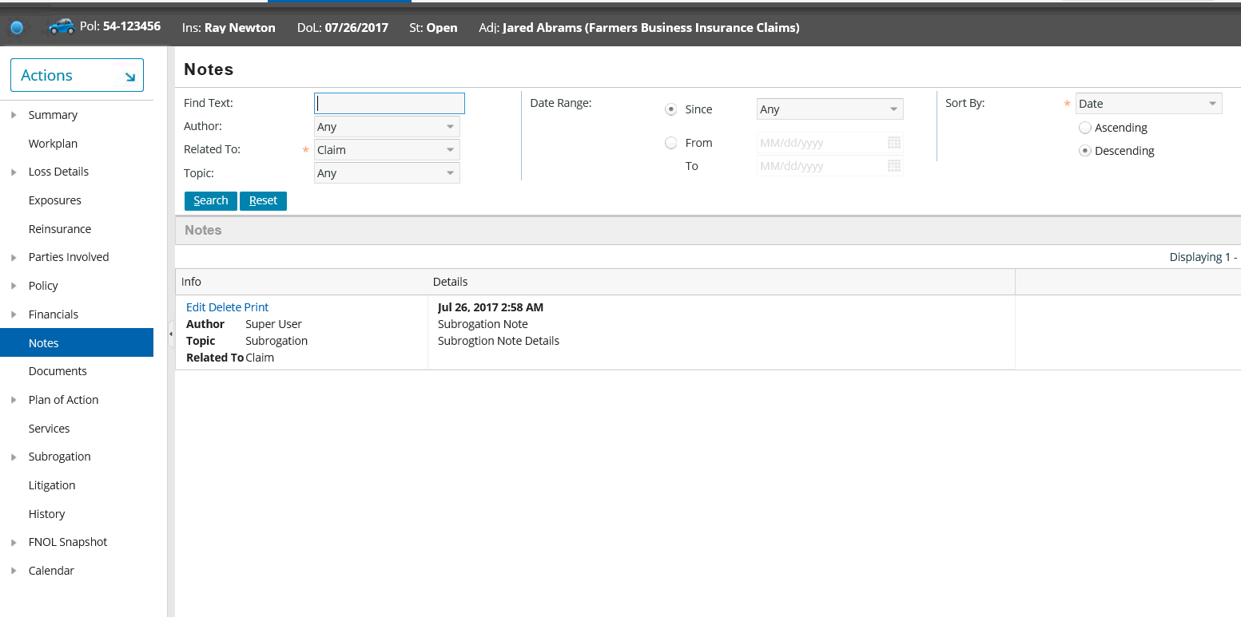

UTC_02 | Note Update
 | Before | After
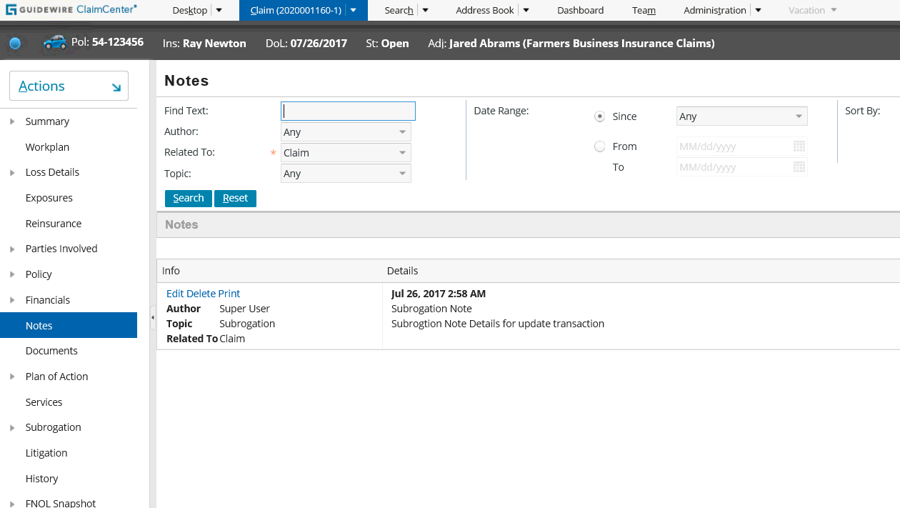

UTC_03 | SubroSummary and Subrogation
 | Before | After
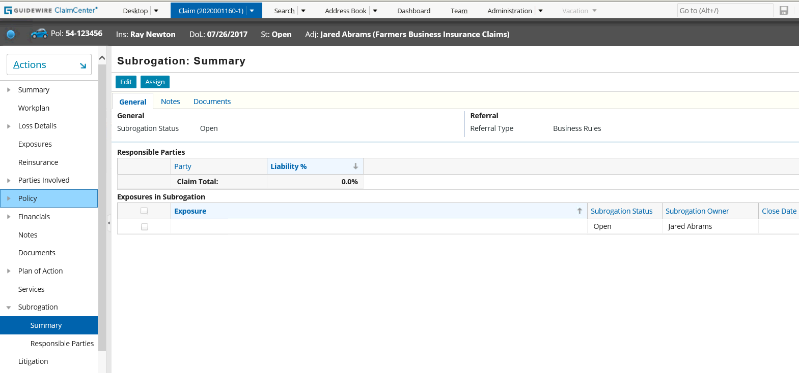
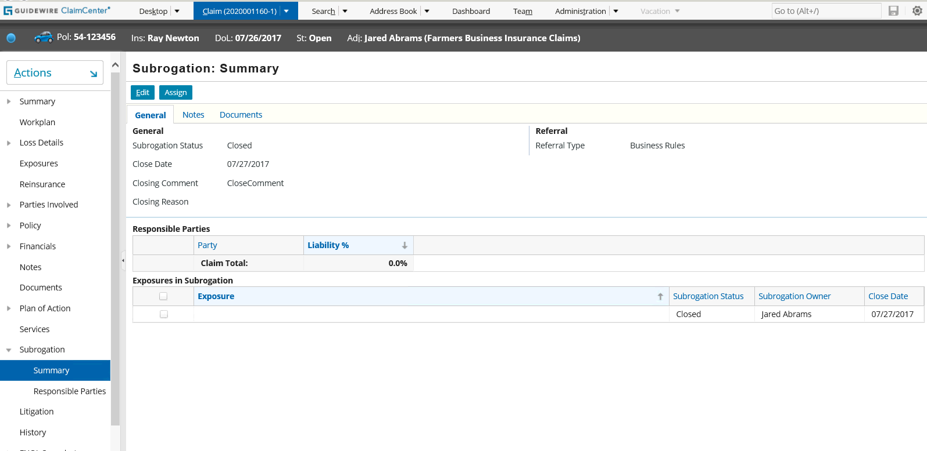

UTC_04 | SubroAdverseParty
 | Before | After
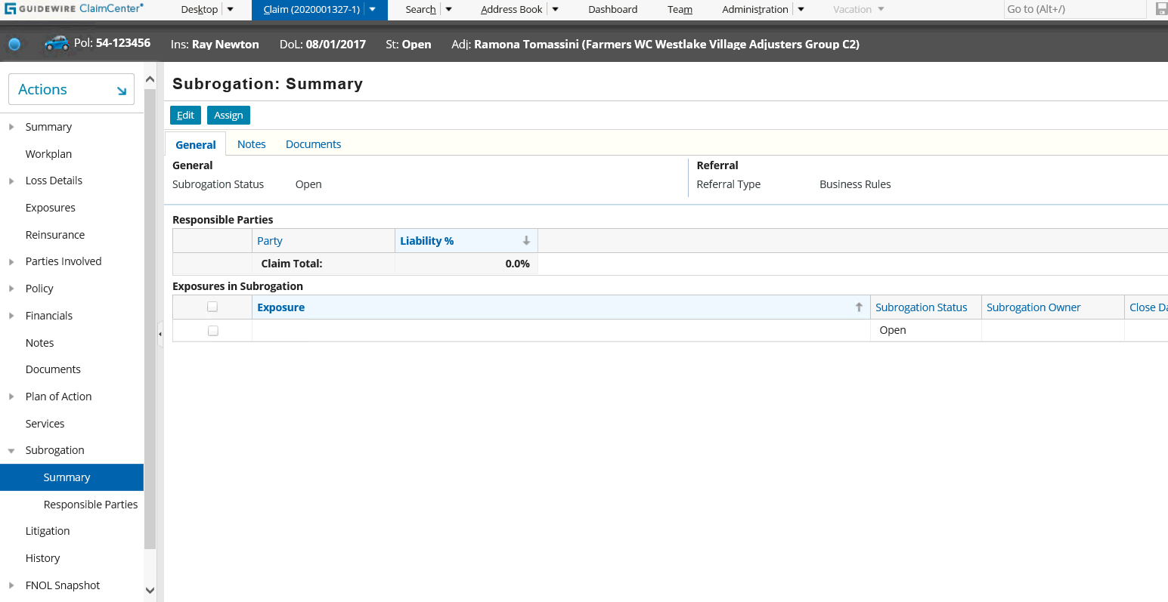
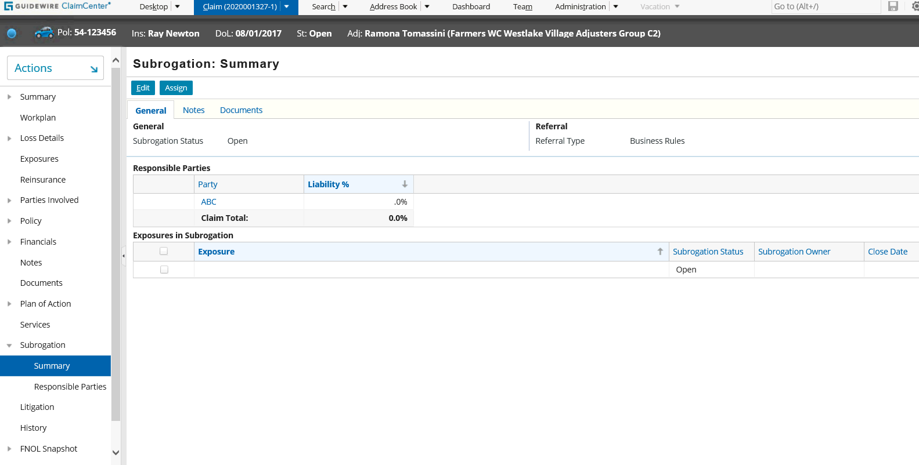

 | SubroAdverseParty Primary Contact | Collection Agency
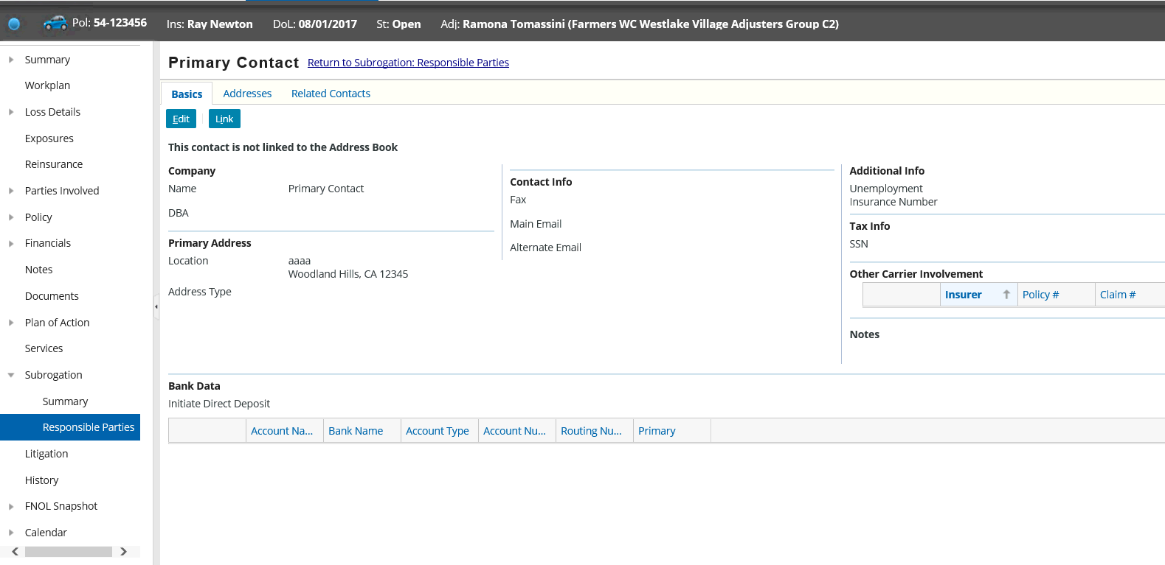
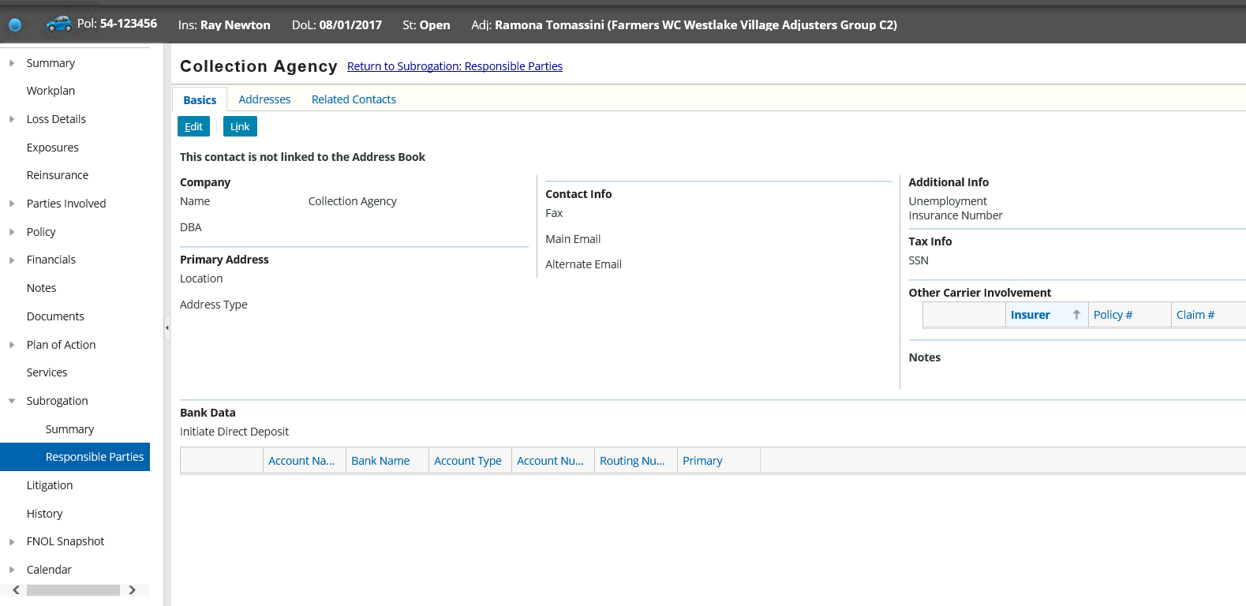

UTC_05 | Update SubroAdverseParty - Primary Contact, Collection Agency and Thirdparty insurer

EY Boilerplate
EY | Assurance | Tax | Transactions | Advisory
About EY EY is a global leader in assurance, tax, transaction and advisory services. The insights and quality services we deliver help build trust and confidence in the capital markets and in economies the world over. We develop outstanding leaders who team to deliver on our promises to all of our stakeholders. In so doing, we play a critical role in building a better working world for our people, for our clients and for our communities.
EY refers to the global organization, and may refer to one or more, of the member firms of Ernst & Young Global Limited, each of which is a separate legal entity. Ernst & Young Global Limited, a UK company limited by guarantee, does not provide services to clients. For more information about our organization, please visit ey.com.
© 2015 EYGM Limited. All Rights Reserved.
1506-1563873 ED None
This material has been prepared for general informational purposes only and is not intended to be relied upon as accounting, tax, or other professional advice. Please refer to your advisors for specific advice.
ey.com

